workorderEntry
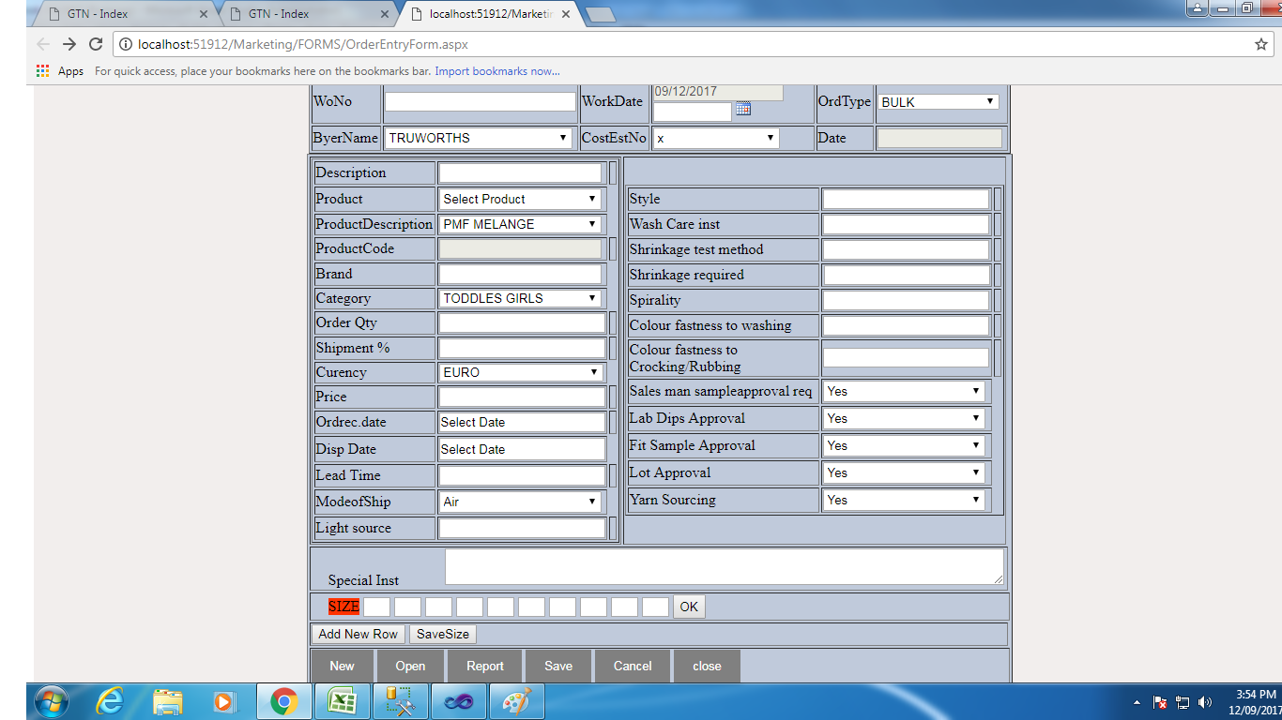
Work Order
Sno | Input Field Name | Table Name | Field | Remarks
1 | WorkId | WORD_MAS and WORD_Trn | WO_NO nvarchar(15) | Depend On OrdeTytpe and Months also Auto Genrate
2 | WOrkDate | WORD_MAS | WO_DATE DateTime | System Date
3 | BuyerName | WORD_MAS | BUYR_NAME nvarchar(25), BUYR_CODE nvarchar(4) | Depend On BUYR_MAS table
4 | orderType | WORD_MAS | WO_TYPE nvarchar(25) | Depend on ORD_TYPE_MAS
5 | CostEstNo | WORD_MAS | COST_EST_NO numaric(9,2) | Depend on COST_SHEET
6 | Date | WORD_MAS | COST_EST_DATE datetime | Depend on COST_SHEET
7 | Description | WORD_MAS | DESCRIPTION nvarchar(25) | Entry
8 | Product | WORD_MAS | PRODUCT nvarchar(2) | Manual add sd,yd item drpdown
9 | Product Description | WORD_MAS |  | Depend on PRODUCT_MAS table
10 | productCode | WORD_MAS | PRODID | slect product dec drp drown
11 | Brand | WORD_MAS | BRAND nvarchar(25|) | Entry
12 | Category | WORD_MAS | CATEGORY nvarchar(40) | depend on CATEGORY_MAS
13 | Order Qty | WORD_MAS | ORD_QTY(float) | Entry
14 | Shipment | WORD_MAS | SHIP_PER(float) | Entry
15 | Curency | WORD_MAS | CURENCY nvarchar | Depend on CURRENCY_MAS
16 | Price | WORD_MAS | PRICE float | Entry
17 | orderrec date | WORD_MAS | ORDREC_DT datetime | Entry
18 | Disp Date | WORD_MAS | DISP_DATE satetime | Entry
19 | Lead Time | WORD_MAS | LEAD_DAYS int | Entry
20 | Modeofship | WORD_MAS | SHIP_MODE nvarchar(4) | Add drp items Manual
21 | Light Source | WORD_MAS | LIGHT_SOURCE nvarchar(10) | Entry
22 | Style | WORD_MAS | STYLE_ID(nvarchar(12)) | Depend on CostEstNo dropdown
23 | Wash Care inst | WORD_MAS | WASH_CARE nvarchar(20) | entry
24 | Shrinkage test method | WORD_MAS | SHRINK_METHOD nvarchar(20) | Entry
25 | Shrinkage required | WORD_MAS | SHRINK_REQ nvarchar(20) | Entry
26 | Spirality | WORD_MAS | SPIRALITY nvarchar(20) | Entry
27 | Colour fastness to washing | WORD_MAS | COLOUR_WASHING nvarchar(10) | Entry
28 | Colour fastness to Crocking/Rubbing | WORD_MAS | COLOUR_CROCKING nvarchar(10) | Entry
29 | Sales man sampleapproval req | WORD_MAS | SALESMAN_APP nvarchar(3) | Entry
30 | Lab Dips Approval | WORD_MAS | LABDIP_APP nvarchar(3) | Entry
31 | Fit Sample Approval | WORD_MAS | FITSAM_APP nvarchar(3) | Entry
32 | Lot Approval | WORD_MAS | LOT_APP nvarchar(5) | Entry
33 | Yarn Sourcing | WORD_MAS | YARN_SOURCE nvarchar(5) | Entry
34 | Special Inst | WORD_MAS | SPCL_INST nvarchar(50) | Entry
35 | This fileds only Table | WORD_MAS | COST_EST_NO numaric(9,2) | depen on cost shet
36 |  | WORD_MAS | COST_EST_DATE | depend on cost sheet
37 |  | WORD_MAS | ADD_DATE datetime | system created date
38 |  | WORD_MAS | MOD_DATE datetime | system use modifed date
Note | 1.A bove all detailes save on word_mas
 | 2.Enter Size in textbox all size are gridview colums

Grid enter all below detailes save
 | Grid Column Names | Table name | Field | Remarks
1 | WO_NO | WORD_TRN | WO_NO nvarchar(15) | Wo_no depend as on word mas
2 | PO_NO | WORD_TRN | PO_NO nvarchar(15) | Entry
3 | COMBO | WORD_TRN | COMBO nvarchar(30) | Entry
4 | SIZE | WORD_TRN | SIZE nvarchar(6) | Entry
5 | ORD_QTY | WORD_TRN | ORD_QTY float | Entry
6 | SHIP_DATE | WORD_TRN | SHIP_DATE date time | Entry

YarnMaster
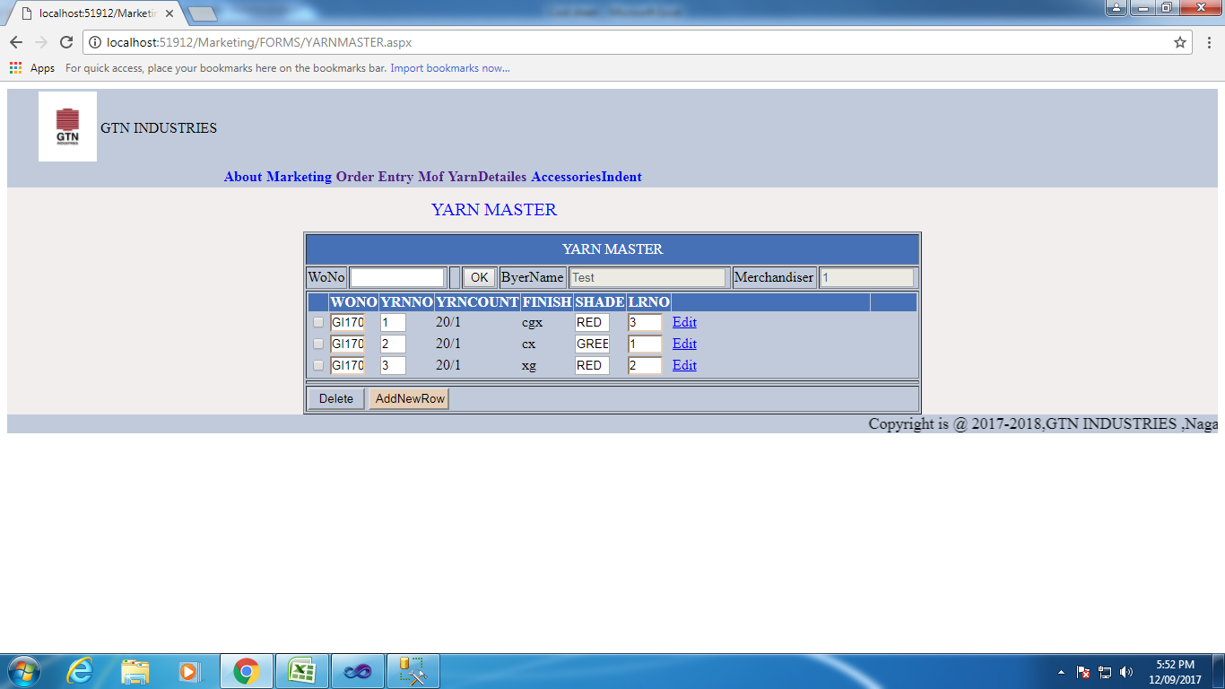
 | Yarn Master

Sno | Grid Columns | Table Name | Field | Remarks
1 | WO_NO | WORD_YRN | WO_NOnvarchar(10) | Depend on word_mas
2 | YRN_NO | WORD_YRN | YRN_NO int | sno
3 | YRN_COUNT | WORD_YRN | nvarchar(10) | Entry
4 | FINISH | WORD_YRN | YRN_COUNT nvarchar(6) | gride view indise drop down load finish item Manualy add
5 | SHADE | WORD_YRN | SHADE nvarchar(10) | Entry
6 | LR_NO | WORD_YRN | LR_NO nvarchar(10) | Entry

Note | 1. work order Enter and disply all detailes and Disply grid
 | 2.Grid Edit ,Delete, Add new row Functions

